Level 1 Report PM10
requires Level 2 approval: | row last edited by: | Level 1 Quarterly Data Review of |  | Jul - Sep 2021 | PM10

 |  | Summary:
 | aa 11/29/21 | completeness after Level 1 validation= |  | 98%
 |  | #Invalidated | AQS null code | description |  |  | link to interval | Line # in this sheet
 | bb 4/5/21 | 2 | AM | identical consecutive values of 108.782 at 2-3 am on 12/12/20 |  |  | Interval_1 | 71
 | bb 4/5/21 | 1 | AM | 1 h extreme negative value of -78.6 on 12/12/20 at 22:00 |  |  | Interval_2 | 92
 | bb 4/5/21 | 4 | AN | 4 stuck values at zero at 16:00 on 12/1/20 during site visit |  |  | Interval_3 | 109
 |  | 6 | AF | LOST records on 12/31/20 from 18:00 to 23:00 |  |  | Interval_4 | 129

 |  | Specific Interval Review Criteria:
 |  | Expected range during: | 7/1/21 | expected minimum = | -2.76 | microg/m3
 |  |  | 9/30/21 | expected maximum = | 288.01 | microg/m3

 | aa 11/29/21 | Documentation that the Site Operator has verified that the maintenance on the equipment and any equipment health issues have been resolved for this time period (see the QAPP criteria checklist in this file) and that the QAPP Review Criteria have been met for this time period (see also the QC charts tab and QAPP Criteria tab)
 | aa 11/29/21 | DOCUMENT TYPE | LOCATION | NOTES |  |  | LEVEL | INITIAL
 | aa 11/29/21 | Operator logs | Uploaded to QREST | site operator logs extracted from datalogger |  |  | 1 | aa
 | aa 11/29/21 | Logbook scans | Uploaded to QREST | images or scans of instrument logbook |  |  | 1 | aa
 | aa 11/29/21 | QC check field forms | Uploaded to QREST | images or scans of instrument logbook |  |  | 1 | aa
 | aa 11/29/21 | Level 2 reports/assessments | Uploaded to QREST | comparison with [relevant/downwind air station] |  |  | 2 | aa

 |  | Hourly Plots with Selected Parameters:
 |  | PM10: | hourly | Plotted vs | WS-Resultant
 |  | PM10 values outside the range of the Level 0 limits (listed on the next sheet) are in red, values exceeding the Jump criterion are in purple, and Stuck values (N>3) are in gray.

 |  | Site Operator comments: | No obvious correlation between PM10 and WS-R, and no correlation with the extreme values of PM10.
 | bb 4/5/21
 |  | PM10: | hourly | Plotted vs | Stnd Deviation of WD

 |  | Site Operator comments: | No obvious correlation between PM10 and StdevOfWD, and no correlation with the extreme values of PM10.
 | bb 4/5/21
 |  | PM10: | hourly | Plotted vs | WD

 |  | Site Operator comments: | No obvious correlation between PM10 and WD, and no correlation with the extreme values of PM10.
 | bb 4/5/21
 |  | Review of Specific Data Values:
 |  | datetime start | datetime end | description
Interval 1: |  | 12/12/20 | 12/12/20 | Identical values of 108.782 on 12/12 at 2 and 3 am are suspect.
 |  | Question for Site Operator? | Was the system preset to run some operation at 2 am?
 | bb 4/5/21 | Answer from Site Operator: | No, the system was not preset to run an operation at 2 and 3 am.
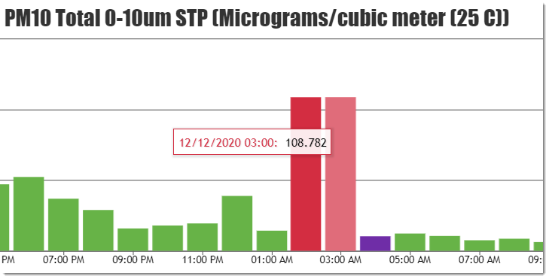
 | bb 4/5/21

 |  | 5-minute Values for this Time Interval -> |  | unavailable
 |  | QREST Notes on this parameter and interval:
 | bb 4/5/21 | No notations for this interval.

 |  | Level 1 decision on records nulled:
 |  | datetime start | datetime end | AQS Null Code Assigned | # Records Null Coded
 | bb 4/5/21 | 12/12/20 | 12/12/20 | AM | 2

 |  | datetime start | datetime end | description
Interval 2: |  | 12/13/20 | 12/13/20 | One extreme negative value of (-78.6), which occurred at 11 pm so not during a site visit.
 |  | Question for Site Operator? | Do you have any information about this one hour?
 |  | Answer from Site Operator: | No. There is no explanation for this anomalous value, and it should be invalidated.
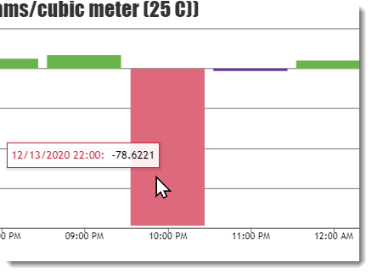

 |  | 5-minute Values for this Time Interval -> |  | unavailable
 |  | QREST Notes on this parameter and interval:
 | bb 4/5/21 | No notations for this interval.

 |  | Level 1 decision on records nulled:
 |  | datetime start | datetime end | AQS Null Code Assigned | # Records Null Coded
 |  | 12/13/20 | 12/13/20 | AM | 1
 | bb 4/5/21
 |  | datetime start | datetime end | description
Interval 3: |  | 12/1/20 | 12/1/20 | 4 consecutive records of zero, beginning at 16:00 on 12/1/20
 |  | Question for Site Operator? | Is there a record of a site visit during this time? Signal was not lost, but 4 consecutive values of exactly zero is not representative of the analyzer's response when it is functioning normally.
 | bb 4/5/21 | Answer from Site Operator: | Yes, 12/1/20 at 3pm there was a site visit and resetting the TEOM (turning it off and on) in hopes to clear the high negative PM10 values.
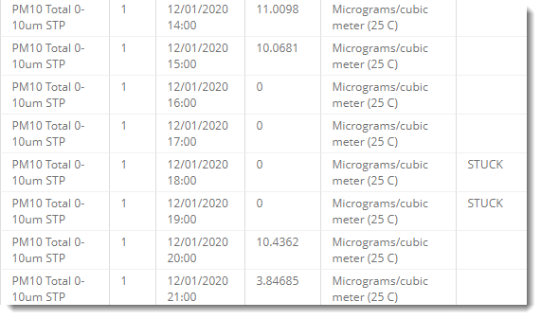

 |  | 5-minute Values for this Time Interval -> |  | unavailable
 |  | QREST Notes on this parameter and interval:
 | bb 4/5/21 | No notations for this interval.

 |  | Level 1 decision on records nulled:
 |  | 12/1/20 | 12/1/20 | AN | 4
 | bb 4/5/21
 |  | datetime start | datetime end | description
Interval 4: |  | 12/31/20 | 12/31/20 | 4 consecutive LOST hours, beginning at 18:00
 |  | Question for Site Operator? | Do you have any information about these 4 LOST hours?
 | bb 4/5/21 | Answer from Site Operator: | Yes, I had visited the site and exchanged the inlet and got a weekly download and reading.
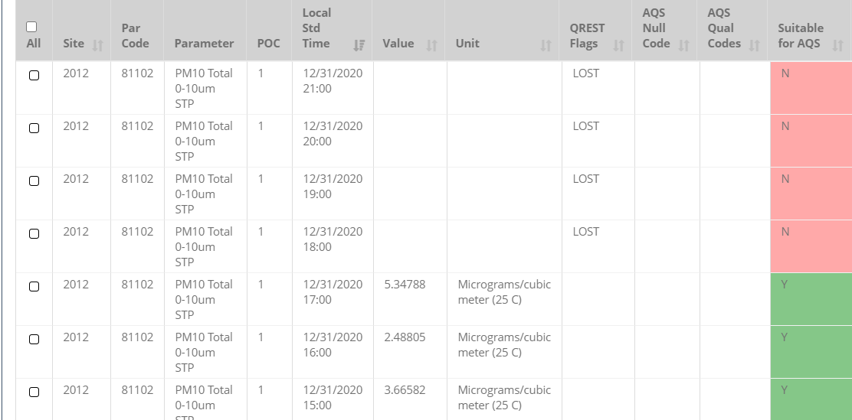

 |  | 5-minute Values for this Time Interval -> |  | unavailable
 |  | Level 1 decision on records nulled:
 |  | datetime start | datetime end | AQS Null Code Assigned | # Records Null Coded
 |  | 12/31/20 | 12/31/20 | AF | 4
 | bb 4/5/21

 |  | Reviewer Notes:
 |  | The above charts of PM10 vs those parameters measured at this site that are likely to influence PM10 concentrations demonstrate no obvious correlation with PM10 overall, and none of these met parameters correspond in any way with the two sets of extreme min/max Level 0-flagged values. The 4 records invalidated due to stuck zero values were invalidated because they are inconsistent with the pattern of the data, and the site operator has no information about these anomalous values.
 | bb 4/5/21

QAPP Criteria
brown font are example entries from the Site Operator, which are reviewed by the Level 1 and Level 2 reviewers | Excerpted from Element 14 of QAPP (dated______)
 | Table 14-1. Operational Criteria (must be met for each hourly record):
Enter sufficient information for an auditor to find the evidence and understand the conclusion regarding whether the criterion has been met: |  |  | Table 14-1: Critical Criteria
 | Requirement | Frequency |  | Acceptance Criteria | Evidence and Location | Information/Action
3/23/21 verified that at no time in this interval did the analyzer display error codes for out of flow rate status | Average Flow Rate | every 24 hours of op |  | Average within < + 5.1% of design | site logbook, in locked shelter | EPA recommendation
3/23/21 verified that the QC checks conducted on mmddyy and mmddyy passed, and were not more than 30 d apart but more than 14 d apart, that the scanned QC sheets are in Supporting Documentation in QREST, and the QC results were entered into QREST | One-point Flow Rate Verification | every 30 days each separated by 14 days |  | < + 7.1% of transfer standard | See QREST QC record and the Supporting Documentation uploaded by the Site Operator | 1 and 2) 40 CFR Part 58, App A, Sec. 3.3
 |  |  |  |  |  | 3) Method 2.10 Table 3-1

 | Table 14-2. Operational Criteria
 | Criteria that are important for maintaining and evaluating the quality of the entire data collection system are included in this Operational Criteria Table. Violation of one or more of these requirements may be cause for invalidating a set of data. The decision should consider other quality control information that is available. The dataset for which one or more of these criteria are not met will be considered suspect unless other quality control information demonstrates that the data are valid. The reason for not meeting these criteria MUST be investigated, fixed, or justified.

 |  |  |  | Table 14-2: Operational Criteria
 | Requirement | Frequency | Acceptance Criteria |  | Evidence and Location | Information/Action
mmddyy ____ | System Leak Check | During precalibration check | Auditory inspection with faceplate blocked |  |  | 1, 2 and 3) Method 2.11 Sec. 2.3.2
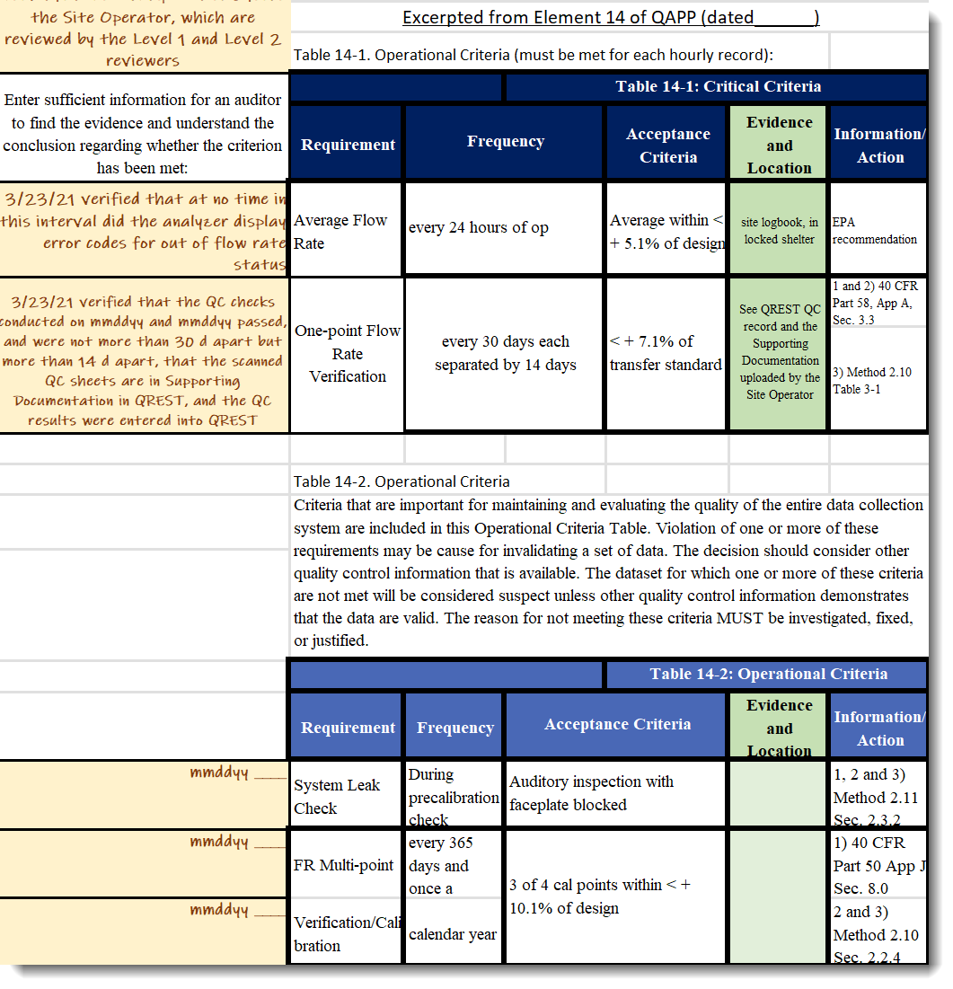
mmddyy ____ | FR Multi-point | every 365 days and once a | 3 of 4 cal points within < + 10.1% of design |  |  | 1) 40 CFR Part 50 App J Sec. 8.0
mmddyy ____ | Verification/Calibration | calendar year |  |  |  | 2 and 3) Method 2.10 Sec. 2.2.4
mmddyy ____ | Semi Annual Flow Rate Audit | Twice a calendar year and 5- | < + 10.1% of audit standard |  |  | 1, 2) Part 58, App A, Sec. 3.3.3
 |  | 7 months apart |  |  |  | 3) Method 2.10 Sec. 7.1.5
mmddyy ____ | Inlet/downtube Cleaning | every 90 days and 4 times a | cleaned |  |  | 1, 2 and 3) Method 2.10 Sec. 6.1.2
 |  | calendar year
mmddyy ____ | FR Multi-point Verification | 1/yr. | <± 2.1% |  |  | Part 50, App.L, Sec 9.2
 | TABLE 14-3. Systematic Criteria
 | Criteria which are important for the correct interpretation of the data but do not usually impact the validity of a sample or group of samples are included on the third table, the Systematic Issues Table. For example, the data quality objectives are included in this table. If the data quality objectives are not met, this does not invalidate any of the samples but it may impact the error rate associated with the attainment/non-attainment decision.

 |  |  | Table 14-3: Systematic Criteria
 | Requirement | Frequency |  | Acceptance Criteria | Evidence and Location | Information/Action
mmddyy ____ | Siting | Every 365 days and 1/ |  | Meets siting criteria or waiver documented |  | 1) 40 CFR Part 58 App E, Sections 2-5
 |  | calendar year |  |  |  | 2) Recommendation
 |  |  |  |  |  | 3) 40 CFR Part 58 App E, Sections 2-5
mmddyy ____ | Data Completeness | 24-hour |  | > 75% |  | 1, 2 and 3) 40 CFR Part 50 App. K, Sec. 2.3b & c
 |  | quarterly
 | Verification/Calibration Standards and Recertifications - All standards should have multi-point certifications against NIST Traceable standards
mmddyy ____ | Flow Rate Transfer Std. | every 365 days and once a |  | < + 2.1% of NIST-traceable Std. |  | 1) 40 CFR Part 50, App.J Sec. 7.3
 |  | calendar year |  |  |  | 2) Method 2.11 Sec. 1.1.3
 |  |  |  |  |  | 3) 40 CFR Part 50, App.J Sec. 7.3
mmddyy ____ | Field Thermometer | every 365 days and once a |  | + 0.1degrees C resolution, + 0.1 degrees C accuracy |  | 1, 2 and 3) Method 2.10 Sec. 1.1.2
 |  | calendar year
mmddyy ____ | Field Barometer | every 365 days and once a |  | + 1 mm Hg resolution, + 5 mm Hg accuracy |  | 1, 2 and 3) Method 2.10 Sec. 1.1.2
 |  | calendar year
mmddyy ____ | Clock/timer Verification | every 180 days and twice a |  | 15 min/day |  | 1) 40 CFR Part 50, App.J Sec. 7.1.5
 |  | calendar year |  |  |  | 2) Recommendation
 |  |  |  |  |  | 3) 40 CFR Part 50, App.J Sec. 7.1.5

